Cordon Map
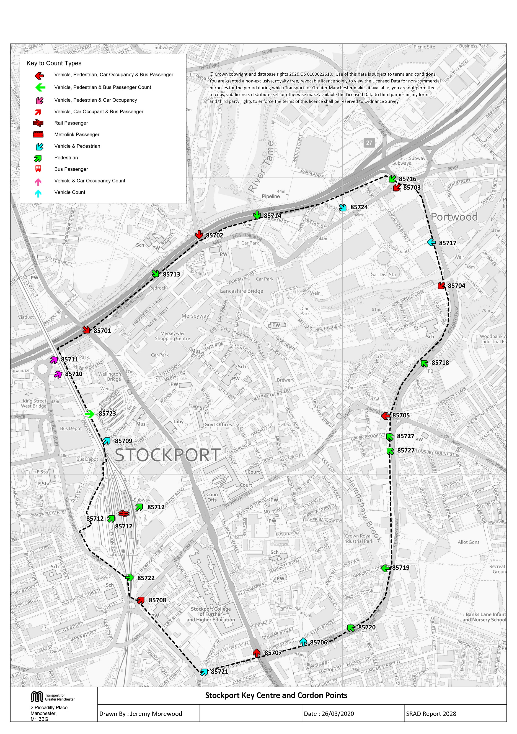

Tab 12 KC Traffic Trend
Trend in Vehicles Crossing Stockport Key Centre Cordon
Table 12 shows the number of vehicles, by type, entering Stockport key centre. |  |  |  |  |  |  |  |  |  |  |  |  |  |  |  |  |  | 1997 | 16802
 |  |  |  |  |  |  |  |  |  |  |  |  |  |  |  |  |  | 1998
Table 12 Trend in Vehicles Crossing Stockport Key Centre Cordon |  |  |  |  |  |  |  |  |  |  |  |  |  |  |  |  |  | 1999
Time Period | Year | Cars | LGV | OGV | Buses | M/C | P/C | All | Time Period | Year | Cars | LGV | OGV | Buses | M/C | P/C | All | 2000 | 17548
07:30-09:30 | 1997 | 14068 | 1342 | 717 | 399 | 95 | 181 | 16802 | 10:00-12:00 | 1997 | 9091 | 1308 | 826 | 406 | 50 | 55 | 11736 | 2001
 | 2000 | 14681 | 1758 | 430 | 408 | 111 | 160 | 17548 |  | 2000 | 9837 | 1717 | 607 | 408 | 43 | 44 | 12656 | 2002
 | 2003 | 14234 | 1612 | 447 | 399 | 100 | 136 | 16928 |  | 2003 | 9187 | 1453 | 546 | 372 | 50 | 38 | 11646 | 2003 | 16928
 | 2004 | 13802 | 1620 | 452 | 385 | 118 | 133 | 16510 |  | 2004 | 9444 | 1609 | 656 | 351 | 47 | 41 | 12148 | 2004 | 16510
 | 2005 | 12915 | 1540 | 409 | 381 | 131 | 198 | 15574 |  | 2005 | 8996 | 1490 | 503 | 392 | 72 | 77 | 11530 | 2005 | 15574
 | 2006 | 12931 | 1573 | 398 | 437 | 98 | 157 | 15594 |  | 2006 | 9103 | 1562 | 502 | 427 | 38 | 45 | 11677 | 2006 | 15594
 | 2007 | 12852 | 1581 | 385 | 343 | 132 | 228 | 15521 |  | 2007 | 9097 | 1564 | 435 | 353 | 72 | 82 | 11603 | 2007 | 15521
 | 2008 | 12898 | 1655 | 528 | 384 | 111 | 245 | 15821 |  | 2008 | 8709 | 1503 | 591 | 384 | 71 | 83 | 11341 | 2008 | 15821
 | 2009 | 11603 | 1408 | 415 | 450 | 131 | 251 | 14258 |  | 2009 | 8377 | 1379 | 486 | 367 | 44 | 70 | 10723 | 2009 | 14258
 | 2010 | 11498 | 1305 | 289 | 352 | 99 | 269 | 13812 |  | 2010 | 8292 | 1399 | 362 | 348 | 56 | 71 | 10528 | 2010 | 13812
 | 2011 | 11330 | 1271 | 347 | 360 | 103 | 265 | 13676 |  | 2011 | 8703 | 1306 | 418 | 327 | 43 | 62 | 10859 | 2011 | 13676
 | 2012 | 11036 | 1284 | 360 | 351 | 111 | 268 | 13410 |  | 2012 | 8147 | 1248 | 411 | 336 | 58 | 86 | 10286 | 2012 | 13410
 | 2013 | 10079 | 1247 | 295 | 341 | 88 | 331 | 12381 |  | 2013 | 7736 | 1222 | 341 | 332 | 35 | 106 | 9772 | 2013 | 12381
 | 2014 | 11016 | 1403 | 332 | 351 | 89 | 330 | 13521 |  | 2014 | 8097 | 1211 | 399 | 348 | 56 | 108 | 10219 | 2014 | 13521
 | 2015 | 10448 | 1242 | 282 | 315 | 92 | 288 | 12667 |  | 2015 | 8157 | 1201 | 351 | 322 | 50 | 92 | 10173 | 2015 | 12667
 | 2016 | 10494 | 1110 | 326 | 286 | 83 | 310 | 12609 |  | 2016 | 8073 | 1238 | 448 | 317 | 42 | 102 | 10220 | 2016 | 12609
 | 2017 | 10214 | 1161 | 318 | 289 | 73 | 345 | 12400 |  | 2017 | 7924 | 1172 | 293 | 299 | 36 | 79 | 9803 | 2017 | 12414
 | 2018 | 10606 | 1137 | 382 | 349 | 91 | 396 | 12961 |  | 2018 | 7395 | 998 | 409 | 321 | 51 | 96 | 9270 | 2018 | 12400
Stockport Key Centre Inbound Vehicle Counts
 | 07:30-09:30 | 10:00-12:00 | 16:00-18:00
1997 | 16802 | 11736 | 13651
1998
1999
2000 | 17548 | 12656 | 13951
2001
2002
2003 | 16928 | 11646 | 13071
2004 | 16510 | 12148 | 13902
2005 | 15574 | 11530 | 12978
2006 | 15594 | 11677 | 13283
2007 | 15521 | 11603 | 12230
2008 | 15821 | 11341 | 11748
2009 | 14258 | 10723 | 11569
2010 | 13812 | 10528 | 11752
2011 | 13676 | 10859 | 11076
2012 | 13410 | 10286 | 10760
2013 | 12381 | 9772 | 10746
2014 | 13521 | 10219 | 11282
2015 | 12667 | 10173 | 11335
2016 | 12609 | 10220 | 10815
2017 | 12414 | 9807 | 10758
2018 | 12400 | 9807 | 10331
 | 2018/1997 | 0.75 | 0.85 | 0.53 | 0.87 | 0.96 | 2.19 | 0.77 |  | 2018/1997 | 0.81 | 0.76 | 0.50 | 0.79 | 1.02 | 1.75 | 0.79 | 1997 | 11736
16:00-18:00 | 1997 | 11295 | 1237 | 467 | 407 | 104 | 141 | 13651 |  |  |  |  |  |  |  |  |  | 1998
 | 2000 | 11717 | 1358 | 265 | 408 | 99 | 104 | 13951 |  |  |  |  |  |  |  |  |  | 1999
 | 2003 | 11113 | 1167 | 217 | 381 | 88 | 105 | 13071 |  |  |  |  |  |  |  |  |  | 2000 | 12656
 | 2004 | 11744 | 1309 | 273 | 363 | 106 | 107 | 13902 |  |  |  |  |  |  |  |  |  | 2001
 | 2005 | 10973 | 1158 | 193 | 366 | 136 | 152 | 12978 |  |  |  |  |  |  |  |  |  | 2002
 | 2006 | 11094 | 1288 | 234 | 441 | 101 | 125 | 13283 |  |  |  |  |  |  |  |  |  | 2003 | 11646
 | 2007 | 10132 | 1288 | 162 | 343 | 124 | 181 | 12230 |  |  |  |  |  |  |  |  |  | 2004 | 12148
 | 2008 | 9685 | 1161 | 210 | 389 | 107 | 196 | 11748 |  |  |  |  |  |  |  |  |  | 2005 | 11530
 | 2009 | 9557 | 1133 | 196 | 390 | 99 | 194 | 11569 |  |  |  |  |  |  |  |  |  | 2006 | 11677
 | 2010 | 9878 | 1096 | 125 | 343 | 91 | 219 | 11752 |  |  |  |  |  |  |  |  |  | 2007 | 11603
 | 2011 | 9273 | 1023 | 178 | 345 | 88 | 169 | 11076 |  |  |  |  |  |  |  |  |  | 2008 | 11341
 | 2012 | 8990 | 1012 | 151 | 335 | 79 | 193 | 10760 |  |  |  |  |  |  |  |  |  | 2009 | 10723
 | 2013 | 9002 | 997 | 143 | 321 | 65 | 218 | 10746 |  |  |  |  |  |  |  |  |  | 2010 | 10528
 | 2014 | 9470 | 1066 | 161 | 316 | 70 | 199 | 11282 |  |  |  |  |  |  |  |  |  | 2011 | 10859
 | 2015 | 9425 | 1053 | 170 | 308 | 121 | 258 | 11335 |  |  |  |  |  |  |  |  |  | 2012 | 10286
 | 2016 | 8934 | 1061 | 189 | 287 | 93 | 251 | 10815 |  |  |  |  |  |  |  |  |  | 2013 | 9772
 | 2017 | 8955 | 1073 | 123 | 289 | 75 | 243 | 10758 |  |  |  |  |  |  |  |  |  | 2014 | 10219
 | 2018 | 8604 | 920 | 167 | 290 | 83 | 267 | 10331 |  |  |  |  |  |  |  |  |  | 2015 | 10173
 | 2018/1997 | 0.76 | 0.74 | 0.36 | 0.71 | 0.80 | 1.89 | 0.76 |  |  |  |  |  |  |  |  |  | 2016 | 10220
 |  |  |  |  |  |  |  |  |  |  |  |  |  |  |  |  |  | 2017 | 9807
 |  |  |  |  |  |  |  |  |  |  |  |  |  |  |  |  |  | 2018 | 9807
 |  |  |  |  |  |  |  |  |  |  |  |  |  |  |  |  |  | 1997 | 13651
 |  |  |  |  |  |  |  |  |  |  |  |  |  |  |  |  |  | 1998
 |  |  |  |  |  |  |  |  |  |  |  |  |  |  |  |  |  | 1999
 |  |  |  |  |  |  |  |  |  |  |  |  |  |  |  |  |  | 2000 | 13951
 |  |  |  |  |  |  |  |  |  |  |  |  |  |  |  |  |  | 2001
 |  |  |  |  |  |  |  |  |  |  |  |  |  |  |  |  |  | 2002
 |  |  |  |  |  |  |  |  |  |  |  |  |  |  |  |  |  | 2003 | 13071
 |  |  |  |  |  |  |  |  |  |  |  |  |  |  |  |  |  | 2004 | 13902
 |  |  |  |  |  |  |  |  |  |  |  |  |  |  |  |  |  | 2005 | 12978
 |  |  |  |  |  |  |  |  |  |  |  |  |  |  |  |  |  | 2006 | 13283
 |  |  |  |  |  |  |  |  |  |  |  |  |  |  |  |  |  | 2007 | 12230
 |  |  |  |  |  |  |  |  |  |  |  |  |  |  |  |  |  | 2008 | 11748
 |  |  |  |  |  |  |  |  |  |  |  |  |  |  |  |  |  | 2009 | 11569
 |  |  |  |  |  |  |  |  |  |  |  |  |  |  |  |  |  | 2010 | 11752
 |  |  |  |  |  |  |  |  |  |  |  |  |  |  |  |  |  | 2011 | 11076
 |  |  |  |  |  |  |  |  |  |  |  |  |  |  |  |  |  | 2012 | 10760
 |  |  |  |  |  |  |  |  |  |  |  |  |  |  |  |  |  | 2013 | 10746
 |  |  |  |  |  |  |  |  |  |  |  |  |  |  |  |  |  | 2014 | 11282
 |  |  |  |  |  |  |  |  |  |  |  |  |  |  |  |  |  | 2015 | 11335
 |  |  |  |  |  |  |  |  |  |  |  |  |  |  |  |  |  | 2016 | 10815
 |  |  |  |  |  |  |  |  |  |  |  |  |  |  |  |  |  | 2017 | 10758
 |  |  |  |  |  |  |  |  |  |  |  |  |  |  |  |  |  | 2018 | 10331

Table 17 KC Car&Non-carTrips
Car and Non-Car Trips into Stockport Key Centre 07:30-09:30
Table 17 Car and Non-Car Trips into Stockport Key Centre
Time Period | Year | Car | Bus | Rail | Cycle | Walk | Total | % Car | % Non-Car
07:30-09:30 | 2003 | 17365 | 5914 | 613 | 136 | 1996 | 26024 | 67% | 33%
 | 2004 | 17391 | 5885 | 747 | 133 | 1771 | 25927 | 67% | 33%
 | 2005 | 16273 | 7432 | 1030 | 198 | 2140 | 27073 | 60% | 40%
 | 2006 | 15776 | 5130 | 1107 | 157 | 2196 | 24366 | 65% | 35%
 | 2007 | 15679 | 5643 | 1210 | 228 | 2258 | 25018 | 63% | 37%
 | 2008 | 15736 | 5983 | 1203 | 245 | 2575 | 25742 | 61% | 39%
 | 2009 | 14620 | 6846 | 961 | 251 | 2601 | 25279 | 58% | 42%
 | 2010 | 14602 | 4706 | 1262 | 269 | 2501 | 23340 | 63% | 37%
 | 2011 | 14276 | 4769 | 1162 | 265 | 2365 | 22837 | 63% | 37%
 | 2012 | 13905 | 4376 | 1378 | 268 | 2415 | 22342 | 62% | 38%
 | 2013 | 12700 | 4978 | 1343 | 331 | 2470 | 21822 | 58% | 42%
 | 2014 | 13942 | 4479 | 1303 | 330 | 2299 | 22353 | 62% | 38%
 | 2015 | 12891 | 3975 | 1284 | 288 | 2225 | 20663 | 62% | 38%
 | 2016 | 13039 | 4269 | 1478 | 310 | 2417 | 21513 | 61% | 39%
 | 2017 | 12939 | 4725 | 1510 | 345 | 2419 | 21937 | 59% | 41%
 | 2018 | 13086 | 3828 | 1418 | 396 | 2578 | 21306 | 61% | 39%
Car and Non-Car Trips into Stockport Key Centre 10:00-12:00
 | 2018/2003 | 0.75 | 0.65 | 2.31 | 2.91 | 1.29 | 0.82
10:00-12:00 | 2003 | 12494 | 5904 | 357 | 38 | 1507 | 20300 | 62% | 38%
 | 2004 | 13033 | 5024 | 356 | 41 | 1343 | 19797 | 66% | 34%
 | 2005 | 12414 | 5368 | 535 | 77 | 1782 | 20176 | 62% | 38%
 | 2006 | 11925 | 5020 | 594 | 45 | 1589 | 19173 | 62% | 38%
 | 2007 | 12554 | 6572 | 459 | 82 | 1314 | 20981 | 60% | 40%
 | 2008 | 11931 | 5398 | 606 | 83 | 1489 | 19507 | 61% | 39%
 | 2009 | 11812 | 4651 | 461 | 70 | 1673 | 18667 | 63% | 37%
 | 2010 | 11609 | 4292 | 541 | 71 | 1492 | 18005 | 64% | 36%
 | 2011 | 12184 | 4210 | 443 | 62 | 1265 | 18164 | 67% | 33%
 | 2012 | 11406 | 3840 | 722 | 86 | 1506 | 17560 | 65% | 35%
 | 2013 | 10830 | 4176 | 704 | 106 | 1618 | 17434 | 62% | 38%
 | 2014 | 11208 | 4122 | 686 | 108 | 1534 | 17658 | 63% | 37%
 | 2015 | 11222 | 3283 | 614 | 92 | 1647 | 16858 | 67% | 33%
 | 2016 | 10990 | 3650 | 635 | 102 | 1591 | 16968 | 65% | 35%
 | 2017 | 11178 | 3683 | 757 | 79 | 1579 | 17277 | 65% | 35%
 | 2018 | 10248 | 3103 | 792 | 96 | 1454 | 15694 | 65% | 35%
 | 2018/2003 | 0.82 | 0.53 | 2.22 | 2.53 | 0.96 | 0.77
Car and Non-Car Trips into Stockport Key Centre 16:00-18:00
16:00-18:00 | 2003 | 14780 | 4540 | 691 | 105 | 1657 | 21773 | 68% | 32%
 | 2004 | 15150 | 3953 | 997 | 107 | 1392 | 21599 | 70% | 30%
 | 2005 | 14923 | 3556 | 1166 | 152 | 1264 | 21061 | 71% | 29%
 | 2006 | 13978 | 3360 | 1236 | 125 | 1389 | 20088 | 70% | 30%
 | 2007 | 13678 | 3542 | 1415 | 181 | 1590 | 20406 | 67% | 33%
 | 2008 | 12881 | 4042 | 1636 | 196 | 1484 | 20239 | 64% | 36%
 | 2009 | 13189 | 4023 | 1140 | 194 | 1387 | 19933 | 66% | 34%
 | 2010 | 13730 | 3367 | 1578 | 219 | 1493 | 20388 | 67% | 33%
 | 2011 | 13168 | 3622 | 1379 | 169 | 1291 | 19629 | 67% | 33%
 | 2012 | 12316 | 3056 | 1703 | 193 | 1530 | 18798 | 66% | 34%
 | 2013 | 12783 | 3414 | 1708 | 218 | 1569 | 19692 | 65% | 35%
 | 2014 | 12803 | 3230 | 1751 | 199 | 1315 | 19298 | 66% | 34%
 | 2015 | 12999 | 2978 | 1660 | 258 | 1634 | 19529 | 67% | 33%
 | 2016 | 12360 | 3159 | 1929 | 251 | 1781 | 19479 | 63% | 37%
 | 2017 | 11867 | 3208 | 1980 | 243 | 1643 | 18940 | 63% | 37%
 | 2018 | 11728 | 2544 | 2091 | 267 | 1417 | 18047 | 65% | 35%
 | 2018/2003 | 0.79 | 0.56 | 3.03 | 2.54 | 0.86 | 0.83

